Sheet1
INT |  | STR |  |  |  |  |  |  |  | FLOAT | BOOLEAN
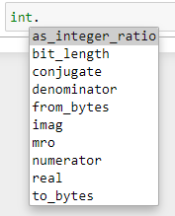
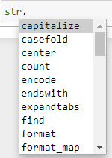
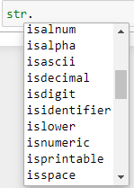
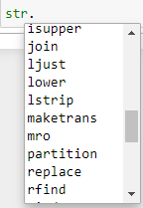
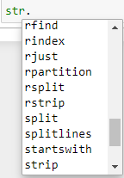
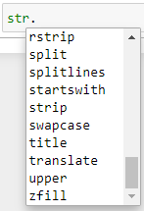
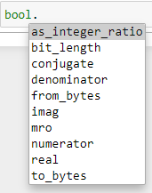
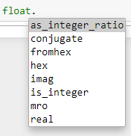

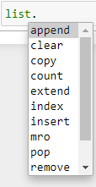
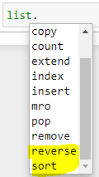
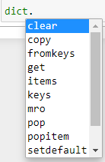
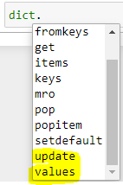
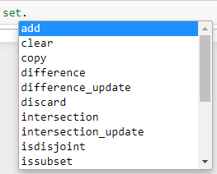
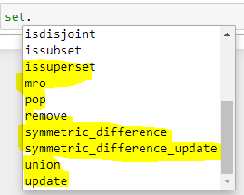
 |  | LIST |  | Dictionary |  |  |  |  | SET |  |  | COMPLEX
Tuple
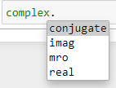

 |  |  |  |  |  |  |  |  |  |  |  | OBJECT

Python Tokens |  |  |  | PAYTHON KEYWARDS |  |  |  |  | OPERATORS IN PAYTHON
Smallest meaningful Component in a Program |  |  |  | Keywords are special reserved words |  |  |  |  | 1 | Relational Operator
1 | Keywords |  |  | FALSE | class | Finally | Is | Return | 2 | Arithmatic Operator
2 | Identifiers |  |  | None | continue | For | Lambda | Try | 3 | Logical Operator
3 | Literals |  |  | TRUE | def | From | Nonlocal | While
4 | Operators |  |  | and | del | Global | Not | With
 |  |  |  | as | elif | If | Or | Yield

PYTHON NUMPY
It consists of multi-dimensional array objects and a collection of routines for processing those arrays

1 | Single-dimensional array
2 | Multi-dimensional array

PYTHON PANDAS
Pandas stands for Panel Data and is the core library for data manipulation and data analysis

 | It consists of single and multi-dimensional data-structures for data-manipulation

1 | Single-dimensional
2 | Multi-dimensional

Pandas Data-Structures
 | 1 |  | 2
 | Single-dimensional |  | Multi-dimensional

 | Series Object |  | Data-frame

Pandas Series Object
 | Series Object is one-dimensional labeled array

